Plan1
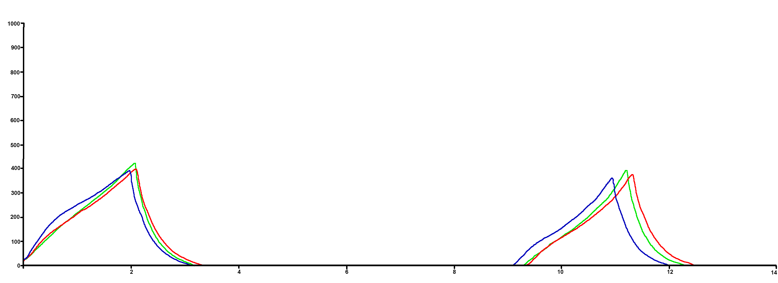
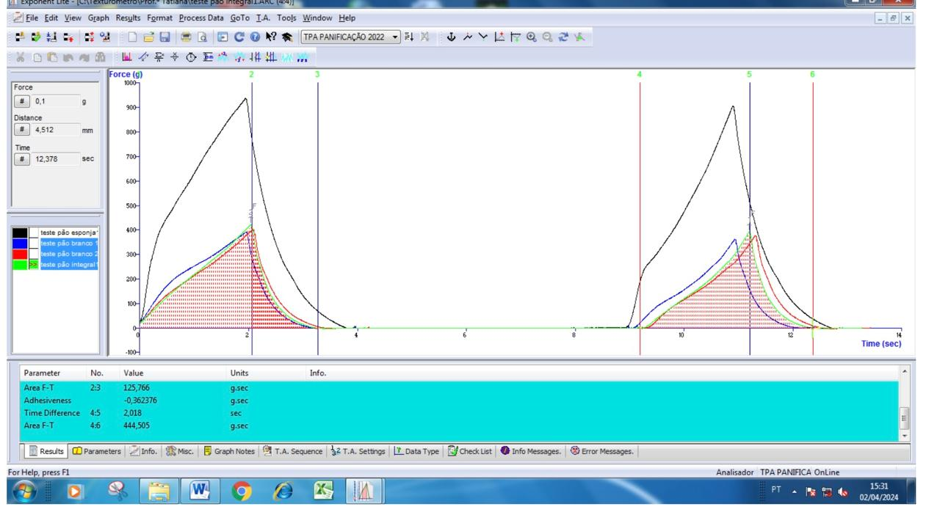
Test ID | Batch | Force 1 | Area-FT 1:2 | Time-diff. 1:2 | Area-FT 1:3 | Area-FT 2:3 | Area-FT 4:6 | Time-diff. 4:5 | Hardness | Fracturability | Adhesiveness | Springiness | Cohesiveness | Gumminess | Chewiness | Resilience | Gradient F-T 4:6 | Mean F 4:6 | Ratio F 4:6 | Time Difference 4:6 | Travel 4:6 | Count Peaks+ F 4:6 | Count Peaks- F 4:6 | X Axis Intercept F-T 4:6 | Y Axis Intercept F-T 4:6 | Force Maxima 4:6 (1)
 |  | N | N.sec | sec | N.sec | N.sec | N.sec | sec | N | N | g.sec |  |  |  |  |  | g/sec | g | % | sec | mm | N/A | N/A | sec | g | g
 |  | Force 1 | Area F-T 1:2 | Time Difference 1:2 | Area F-T 1:3 | Area F-T 2:3 | Area F-T 4:6 | Time Difference 4:5 | Force 2 | Force 3 | Variable | J#/F# | I#/G# | K#*O# | P#*N# | H#/E# | Gradient F-T 4:6 | Mean F 4:6 | Ratio F 4:6 | Time Difference 4:6 | Travel 4:6 | Count Peaks+ F 4:6 | Count Peaks- F 4:6 | X Axis Intercept F-T 4:6 | Y Axis Intercept F-T 4:6 | Force Maxima 4:6 (1)

Start Batch Unknown | Unknown
teste pão branco 1 | Unknown | 3.577 | 4.638 | 1.982 | 5.842 | 1.204 | 4.155 | 1.886 | 3.879 |  |  | 0.952 | 0.711 | 2.759 | 2.625 | 0.26
teste pão branco 2 | Unknown | 3.712 | 4.556 | 2.108 | 5.891 | 1.336 | 4.583 | 2.064 | 3.975 |  | -0.099 | 0.979 | 0.778 | 3.093 | 3.028 | 0.293
teste pão integral1 | Unknown | 3.873 | 4.533 | 2.07 | 5.766 | 1.233 | 4.359 | 2.018 | 4.158 |  | -0.362 | 0.975 | 0.756 | 3.143 | 3.064 | 0.272
End Batch Unknown | Unknown
 | Total (F) |  |  |  |  |  |  |  |  |  |  | 0.95156407669 | 0.71122903115 | 2.757969 | 2.626568 | 0.25959465287
 | Total (F) |  |  |  |  |  |  |  |  |  |  | 0.97912713472 | 0.77796638941 | 3.09255 | 3.028047 | 0.29323968393
 | Total (F) |  |  |  |  |  |  |  |  |  |  | 0.97487922705 | 0.75598335068 | 3.143448 | 3.064425 | 0.27200529451
 | Total (F)

